Sheet1
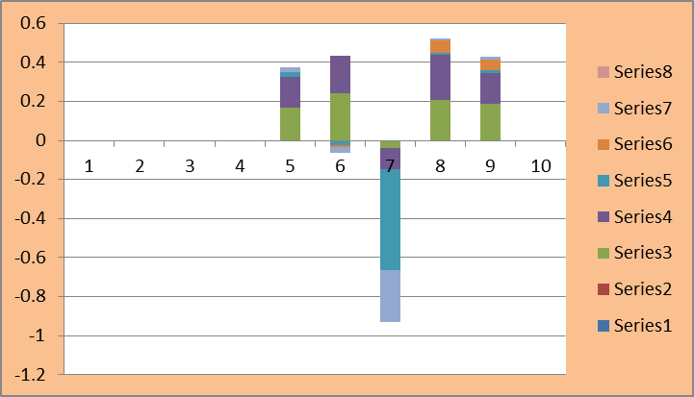
Safko Spinning Mills Limited
Ratio Analysis
For The Year Ended 2018-2022 |  |  |  |  |  |  | Liquidity Ratio

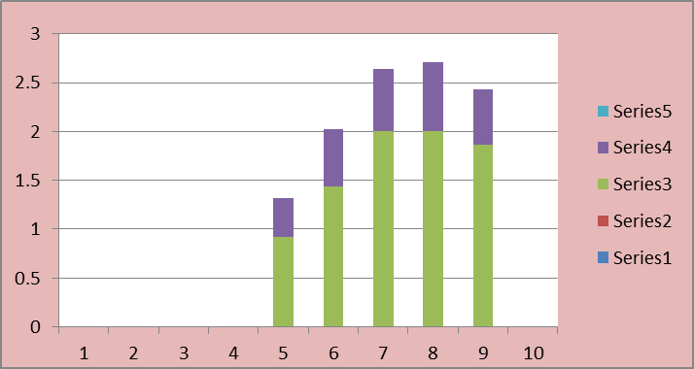
Ratios | 2018 | 2019 | 2020 | 2021 | 2022

Liquidity Ratios

Current Ratio | 0.92 | 1.44 | 2 | 2 | 1.86
Quick Ratio | 0.4 | 0.58 | 0.64 | 0.71 | 0.57

Activity Ratios

Account Receivable Turnover | 11.2 | 14.26 | 4.34 | 11.13 | 11.02
Inventory Turnover | 1.71 | 1.26 | 0.9 | 1.12 | 1.45
Total Asset Turnover | 0.38 | 0.33 | 0.17 | 0.27 | 0.33

Leverage Ratios

Debt Ratio | 0.67 | 0.69 | 0.68 | 0.68 | 0.69
Debt to Equity Ratio | 0.85 | 1.46 | 1.66 | 1.69 | 1.73 |  | Activity Ratio

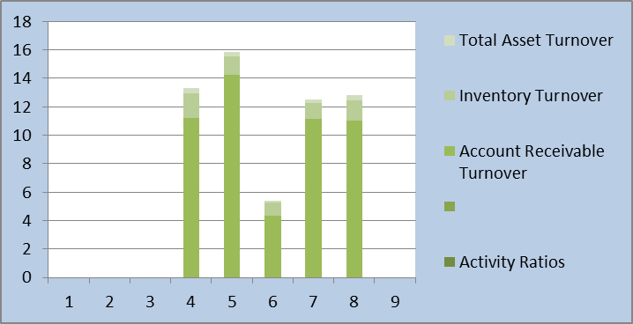
Profitability Ratios

Gross Profit Margin | 16.71% | 23.98% | -4.16% | 20.60% | 18.56%
Operating Profit Margin | 15.93% | 19.34% | -10.78% | 23.14% | 16.14%
Net Profit Margin | 2.08% | -2.65% | -51.39% | 1.26% | 1.44%
Return on Assets | 0.22% | -0.91% | -0.02% | 6% | 5.36%
Return on Equity | 2.30% | -2.81% | -26.84% | 1.06% | 1.53%

 |  | Leverage Ratio
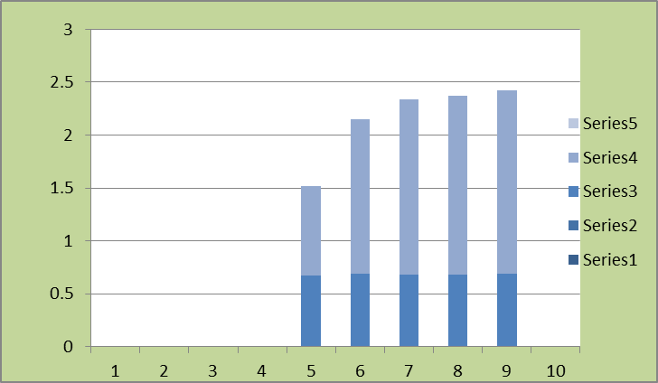
 |  |  |  |  |  | Profitability Ratio

